Energy_item
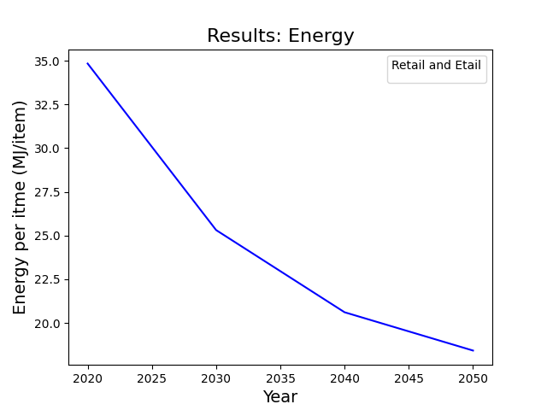
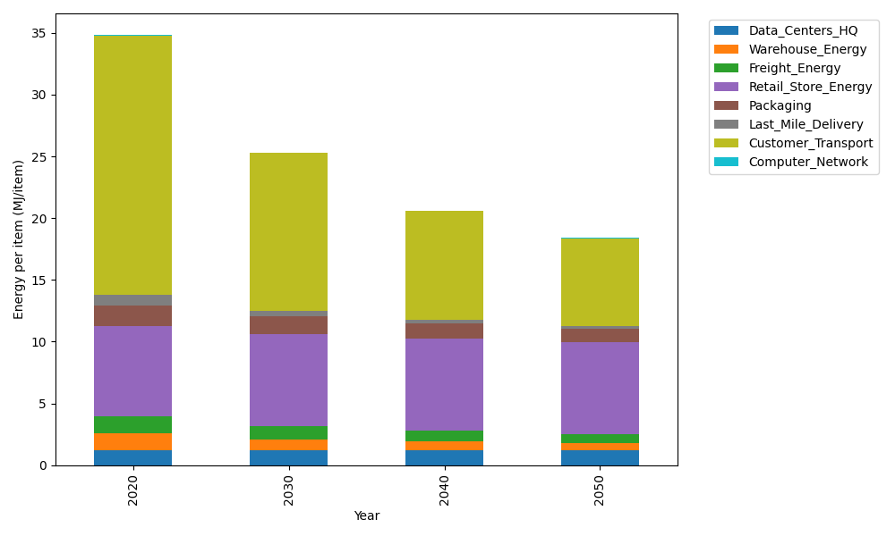
Years | Data_Centers_HQ | Warehouse_Energy | Freight_Energy | Retail_Store_Energy | Packaging | Last_Mile_Delivery | Customer_Transport | Computer_Network | Total
2020 | 1.2374141979 | 1.3410488455 | 1.3784807412 | 7.3100139929 | 1.6916682183 | 0.80808195028 | 21.025426433 | 0.042881298171 | 34.835015677
2030 | 1.2352718172 | 0.84935431858 | 1.0951552485 | 7.4274928124 | 1.4604564316 | 0.43752691917 | 12.76657471 | 0.038322286335 | 25.310154544
2040 | 1.2350053479 | 0.66269158569 | 0.89554135138 | 7.4421048224 | 1.2586847202 | 0.30028630591 | 8.7769819235 | 0.037755236657 | 20.609051294
2050 | 1.2351847631 | 0.517354491 | 0.74285094572 | 7.4322664771 | 1.1144532815 | 0.24057344501 | 7.0974338221 | 0.038137034271 | 18.41825426

CO2_item
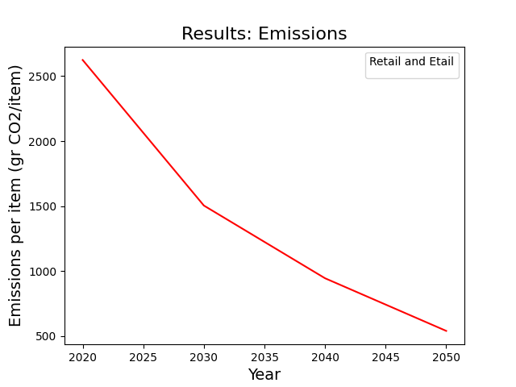
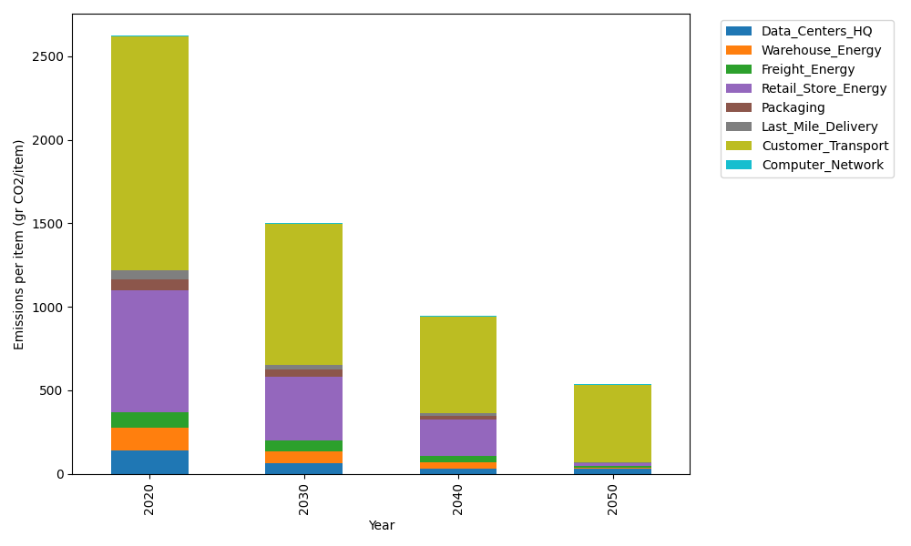
Years | Data_Centers_HQ | Warehouse_Energy | Freight_Energy | Retail_Store_Energy | Packaging | Last_Mile_Delivery | Customer_Transport | Computer_Network | Total
2020 | 140.14711191 | 133.87537195 | 93.866217976 | 728.99305529 | 65.522142061 | 55.469272717 | 1399.1215567 | 7.2330803936 | 2624.227809
2030 | 64.567658151 | 68.888730324 | 64.403758067 | 385.16850385 | 41.723436199 | 27.630558995 | 845.53203524 | 6.4640808406 | 1504.3787617
2040 | 31.996237745 | 39.691368968 | 33.613364581 | 222.64975433 | 20.345670452 | 13.501247316 | 576.87098426 | 6.3684327123 | 945.03706037
2050 | 31.999603119 | 2.6484311937 | 14.667304272 | 14.823694324 | 0 | 6.7706226458 | 462.75798813 | 6.4328331142 | 540.1004768

